Architecture
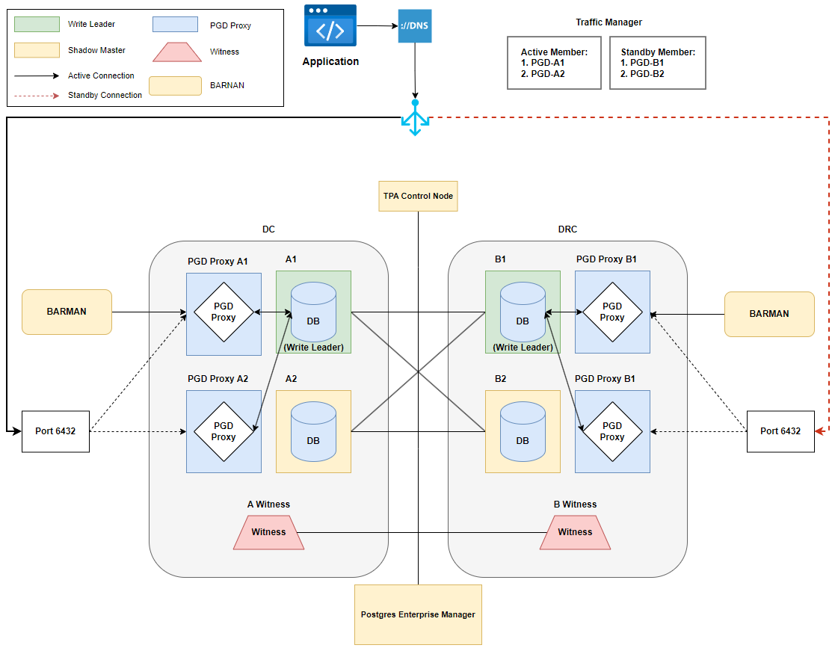

Location | Role | Qty | Size
- | TPA Control Node | 1 | TBD
- | PEM | 1 | TBD
Site A | PGD Proxy | 2 | TBD
Site A | PGD Data Nodes | 2 | TBD
Site A | PGD Barman | 1 | TBD
Site A | PGD Witness | 1 | TBD
Site B | PGD Proxy | 2 | TBD
Site B | PGD Data Nodes | 2 | TBD
Site B | PGD Barman | 1 | TBD
Site B | PGD Witness | 1 | TBD

